Sheet1
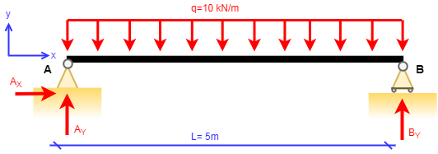

GIVEN |  |  | Internal forces
L = | 5 | m | x (m) | N(x) | V(x) | M (x)
q = | 10 | kN/m | 0 | 0 | 25 | 0
 |  |  | 1 | 0 | 15 | -20
Support Reactions: |  |  | 2 | 0 | 5 | -30
Ax = | 0 | kN | 3 | 0 | -5 | -30
Ay = | 25 | kN | 4 | 0 | -15 | -20
By = | 25 | kN | 5 | 0 | -25 | 0

